Sheet1
https://en.wikipedia.org/wiki/List_of_counties_in_Florida

Counties[edit]

County | FIPS code[7] | County seat[8] | Est.[4] | Formed from[9] | Etymology[4] | Density | Population[10] | Area[5][8] | Map
Alachua County | 1 | Gainesville | 1824 | Duval and St. Johns | From a Seminole-Creek word meaning "jug", apparently in reference to the sinkholes common in the area[11] | 285.31 | 249,365 | 874 sq mi | 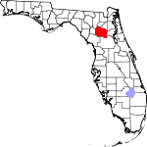
 |  |  |  |  |  |  |  | (2,264 km2)
Baker County | 3 | Macclenny | 1861 | New River | James McNair Baker (1821–1892), a Confederate senator and later a judge in the fourth judicial district | 46.42 | 27,154 | 585 sq mi | 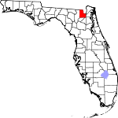

 |  |  |  |  |  |  |  | (1,515 km2)
Bay County | 5 | Panama City | 1913 | Calhoun and Washington | St. Andrew's Bay, the central geographic feature of the county | 222.32 | 169,856 | 764 sq mi | 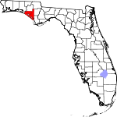

 |  |  |  |  |  |  |  | (1,979 km2)
Bradford County | 7 | Starke | 1858 | Columbia | Richard Bradford, the first officer from Florida to die in the Civil War; he was killed during the Battle of Santa Rosa Island | 96.43 | 28,255 | 293 sq mi | 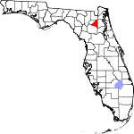
 |  |  |  |  |  |  |  | (759 km2)

 |  |  |  | named New River until 1861
Brevard County | 9 | Titusville | 1844 | Hillsborough and Mosquito | Theodore Washington Brevard, early settler and later state comptroller from 1853 to 1861[12] | 533.95 | 543,566 | 1,018 sq mi | 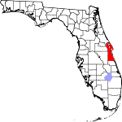
 |  |  |  |  |  |  |  | (2,637 km2)

 |  |  |  | named St. Lucie until 1855[12]
Broward County | 11 | Fort Lauderdale | 1915 | Dade and Palm Beach | Napoleon Bonaparte Broward (1857–1910), 19th governor of Florida from 1905 to 1909 | 1472.43 | 1,780,172 | 1,209 sq mi | 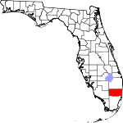

 |  |  |  |  |  |  |  | (3,131 km2)
Calhoun County | 13 | Blountstown | 1838 | Franklin, Jackson, and Washington | John C. Calhoun (1782–1850) leading Southern politician from South Carolina | 26.01 | 14,750 | 567 sq mi | 

 |  |  |  |  |  |  |  | (1,469 km2)
Charlotte County | 15 | Punta Gorda | 1921 | DeSoto | Probably a corruption of the name of the Calusa, a group of Native Americans from the area | 231.28 | 160,511 | 694 sq mi | 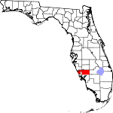

 |  |  |  |  |  |  |  | (1,797 km2)
Citrus County | 17 | Inverness | 1887 | Hernando | The county's citrus trees | 239.78 | 140,031 | 584 sq mi | 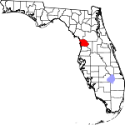

 |  |  |  |  |  |  |  | (1,513 km2)
Clay County | 19 | Green Cove Springs | 1858 | Duval | Henry Clay (1777–1852), Secretary of State from 1825 to 1829 under John Quincy Adams | 320.08 | 192,370 | 601 sq mi | 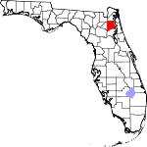

 |  |  |  |  |  |  |  | (1,557 km2)
Collier County | 21 | East Naples | 1923 | Lee | Barron Collier (1873–1939), an advertising entrepreneur who developed much of the land in southern Florida | 161.96 | 328,134 | 2,026 sq mi | 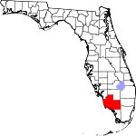

 |  |  |  |  |  |  |  | (5,247 km2)
Columbia County | 23 | Lake City | 1832 | Alachua | Christopher Columbus (c. 1451–1506), explorer of the Americas | 84.67 | 67,485 | 797 sq mi | 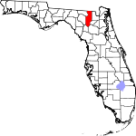

 |  |  |  |  |  |  |  | (2,064 km2)
DeSoto County | 27 | Arcadia | 1887 | Manatee | Hernando de Soto (c. 1496/1497–1542), a Spanish explorer and conquistador | 54.78 | 34,894 | 637 sq mi | 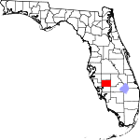

 |  |  |  |  |  |  |  | (1,650 km2)
Dixie County | 29 | Cross City | 1921 | Lafayette | Dixie, the common nickname for the Southern United States | 23.42 | 16,486 | 704 sq mi | 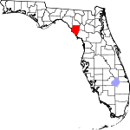

 |  |  |  |  |  |  |  | (1,823 km2)
Duval County | 31 | Jacksonville | 1822 | St. Johns | William Pope Duval (1784–1854), the first governor of the Florida Territory | 1124.95 | 937,934 | 774 sq mi | 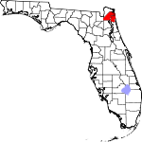

 |  |  |  |  |  |  |  | (2,005 km2)
Escambia County | 33 | Pensacola | 1821 | One of the two original counties | Disputed origin; possibly from the Native American word Shambia, meaning "clear water", or from Spanish word “cambiar”, meaning to barter | 450.47 | 299,114 | 664 sq mi | 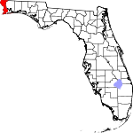

 |  |  |  |  |  |  |  | (1,720 km2)
Flagler County | 35 | Bunnell | 1917 | St. Johns and Volusia | Henry Morrison Flagler (1830–1913), founder of the Florida East Coast Railway | 200.78 | 97,376 | 485 sq mi | 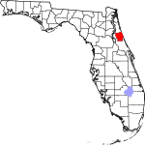

 |  |  |  |  |  |  |  | (1,256 km2)
Franklin County | 37 | Apalachicola | 1832 | Gadsden and Washington | Benjamin Franklin (1706–1790), one of the Founding Fathers of the United States of America | 21.72 | 11,596 | 534 sq mi | 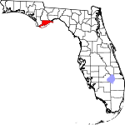

 |  |  |  |  |  |  |  | (1,383 km2)
Gadsden County | 39 | Quincy | 1823 | Jackson | James Gadsden (1788–1858), American diplomat and namesake of the Gadsden Purchase | 89.44 | 46,151 | 516 sq mi | 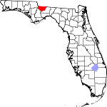

 |  |  |  |  |  |  |  | (1,336 km2)
Gilchrist County | 41 | Trenton | 1925 | Alachua | Albert W. Gilchrist (1858–1926), the 20th governor of Florida | 48.72 | 17,004 | 349 sq mi | 

 |  |  |  |  |  |  |  | (904 km2)
Glades County | 43 | Moore Haven | 1921 | DeSoto | The Florida Everglades | 16.32 | 12,635 | 774 sq mi | 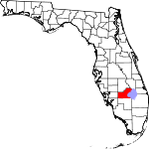

 |  |  |  |  |  |  |  | (2,005 km2)
Gulf County | 45 | Port St. Joe | 1925 | Calhoun | The Gulf of Mexico | 28.04 | 15,844 | 565 sq mi | 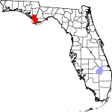

 |  |  |  |  |  |  |  | (1,463 km2)
Hamilton County | 47 | Jasper | 1827 | Jefferson | Alexander Hamilton (1757–1804), the first United States Secretary of the Treasury and a Founding Father | 28.49 | 14,671 | 515 sq mi | 

 |  |  |  |  |  |  |  | (1,334 km2)
Hardee County | 49 | Wauchula | 1921 | DeSoto | Cary A. Hardee (1876–1957), governor of Florida at the time of creation of Hardee County | 43.78 | 27,887 | 637 sq mi | 

 |  |  |  |  |  |  |  | (1,650 km2)
Hendry County | 51 | LaBelle | 1923 | Lee | Francis A. Hendry (1833–1917), early Floridian pioneer and politician | 33.9 | 39,089 | 1,153 sq mi | 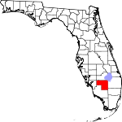

 |  |  |  |  |  |  |  | (2,986 km2)
Hernando County | 53 | Brooksville | 1843 | Alachua and Hillsborough | Hernando de Soto (c.1496/1497–1542), a Spanish explorer and conquistador | 362.12 | 173,094 | 478 sq mi | 
 |  |  |  |  |  |  |  | (1,238 km2)

 |  |  |  | named Benton from 1844 to 1850
Highlands County | 55 | Sebring | 1921 | DeSoto | Named for the county's hilly terrain | 95.94 | 98,630 | 1,028 sq mi | 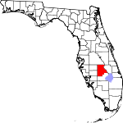

 |  |  |  |  |  |  |  | (2,663 km2)
Hillsborough County | 57 | Tampa | 1834 | Alachua | Wills Hill, Earl of Hillsborough (1718–1793), former Secretary of State for the Colonies | 1206.26 | 1,267,775 | 1,051 sq mi | 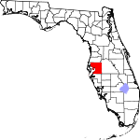

 |  |  |  |  |  |  |  | (2,722 km2)
Holmes County | 59 | Bonifay | 1848 | Jackson and Walton | Holmes Creek, which forms the eastern boundary of the county | 41.23 | 19,873 | 482 sq mi | 

 |  |  |  |  |  |  |  | (1,248 km2)
Indian River County | 61 | Vero Beach | 1925 | St. Lucie | The Indian River Lagoon, which flows through the county | 276.13 | 138,894 | 503 sq mi | 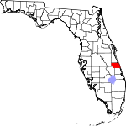

 |  |  |  |  |  |  |  | (1,303 km2)
Jackson County | 63 | Marianna | 1822 | Escambia | Andrew Jackson (1767–1845), the seventh President of the United States | 53.81 | 49,292 | 916 sq mi | 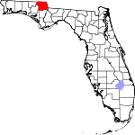

 |  |  |  |  |  |  |  | (2,372 km2)
Jefferson County | 65 | Monticello | 1827 | Leon | Thomas Jefferson (1743–1826), the third President of the United States and principal author of the Declaration of Independence | 24.51 | 14,658 | 598 sq mi | 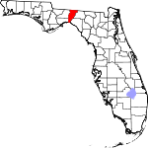

 |  |  |  |  |  |  |  | (1,549 km2)
Lafayette County | 67 | Mayo | 1856 | Madison | Gilbert du Motier, marquis de La Fayette (1757–1834), French aristocrat and general in the American Revolutionary War | 16.47 | 8,942 | 543 sq mi | 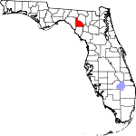

 |  |  |  |  |  |  |  | (1,406 km2)
Lake County | 69 | Tavares | 1887 | Orange and Sumter | Named for the many lakes in the region | 315.86 | 301,019 | 953 sq mi | 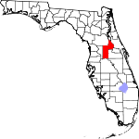

 |  |  |  |  |  |  |  | (2,468 km2)
Lee County | 71 | Fort Myers | 1887 | Monroe | Robert E. Lee (1807–1870), commander of the Confederate Army of Northern Virginia in the American Civil War | 785.24 | 631,330 | 804 sq mi | 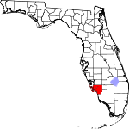

 |  |  |  |  |  |  |  | (2,082 km2)
Leon County | 73 | Tallahassee | 1824 | Gadsden | Juan Ponce de León (1474–1521), Spanish explorer who named Florida | 416.75 | 277,971 | 667 sq mi | 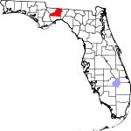

 |  |  |  |  |  |  |  | (1,728 km2)
Levy County | 75 | Bronson | 1845 | Alachua | David Levy Yulee (1810–1886), one of the state's original United States Senators | 35.92 | 40,156 | 1,118 sq mi | 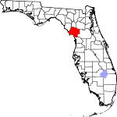

 |  |  |  |  |  |  |  | (2,896 km2)
Liberty County | 77 | Bristol | 1855 | Gadsden | The patriotic ideal of liberty | 9.94 | 8,314 | 836 sq mi | 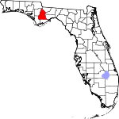

 |  |  |  |  |  |  |  | (2,165 km2)
Madison County | 79 | Madison | 1827 | Jefferson | James Madison (1751–1836), fourth President of the United States | 27.62 | 19,115 | 692 sq mi | 

 |  |  |  |  |  |  |  | (1,792 km2)
Manatee County | 81 | Bradenton | 1855 | Hillsborough | The manatee, or sea cow, is native to Florida waters. | 441.49 | 327,142 | 741 sq mi | 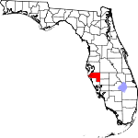

 |  |  |  |  |  |  |  | (1,919 km2)
Marion County | 83 | Ocala | 1844 | Alachua, Hillsborough, and Mosquito | Francis Marion (c. 1732–1795), military officer during the American Revolution | 210.59 | 332,529 | 1,579 sq mi | 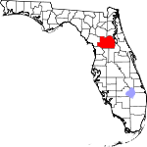

 |  |  |  |  |  |  |  | (4,090 km2)
Martin County | 85 | Stuart | 1925 | Palm Beach | John W. Martin (1884–1958), governor of Florida at time of creation of the county | 265.28 | 147,495 | 556 sq mi | 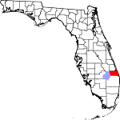

 |  |  |  |  |  |  |  | (1,440 km2)
Miami-Dade County | 86 | Miami | 1836 | Monroe | City of Miami and Francis L. Dade (c. 1793–1835), Major in the United States Army during the Second Seminole War | 1313.5 | 2,662,874 | 1,946 sq mi | 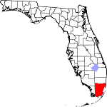
 |  |  |  |  |  |  |  | (5,040 km2)

 |  |  |  | named Dade until 1997
Monroe County | 87 | Key West | 1823 | St. Johns | James Monroe (1758–1831), fifth President of the United States | 74.1 | 73,873 | 997 sq mi | 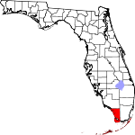

 |  |  |  |  |  |  |  | (2,582 km2)
Nassau County | 89 | Fernandina Beach | 1824 | Duval | Duchy of Nassau in Germany | 113.8 | 74,195 | 652 sq mi | 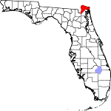

 |  |  |  |  |  |  |  | (1,689 km2)
Okaloosa County | 91 | Crestview | 1915 | Santa Rosa and Walton | A native word meaning "a pleasant place," "black water", or "beautiful place" | 196.03 | 183,482 | 936 sq mi | 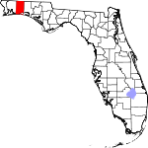

 |  |  |  |  |  |  |  | (2,424 km2)
Okeechobee County | 93 | Okeechobee | 1917 | Osceola and St. Lucie | Lake Okeechobee, which was in turn is from the Hitchiti words for "big water" | 51.86 | 40,140 | 774 sq mi | 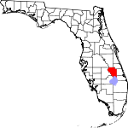

 |  |  |  |  |  |  |  | (2,005 km2)
Orange County | 95 | Orlando | 1824 | St. Johns | The fruit that was the county's main product | 1287.56 | 1,169,107 | 908 sq mi | 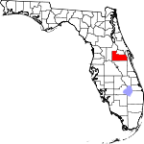
 |  |  |  |  |  |  |  | (2,352 km2)

 |  |  |  | named Mosquito until 1845
Osceola County | 97 | Kissimmee | 1887 | Brevard and Orange | Osceola (1804–1838), a leader of the Seminole during the Second Seminole War | 208.9 | 276,163 | 1,322 sq mi | 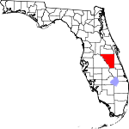

 |  |  |  |  |  |  |  | (3,424 km2)
Palm Beach County | 99 | West Palm Beach | 1909 | Dade | The county's large amounts of palm trees | 656.43 | 1,335,187 | 2,034 sq mi | 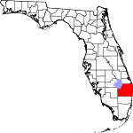

 |  |  |  |  |  |  |  | (5,268 km2)
Pasco County | 101 | Dade City | 1887 | Hernando | Samuel Pasco (1834–1917), United States Senator at the time of creation of the county | 626.12 | 466,457 | 745 sq mi | 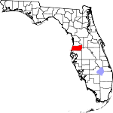

 |  |  |  |  |  |  |  | (1,930 km2)
Pinellas County | 103 | Clearwater | 1912 | Hillsborough | From the Spanish Punta Piñal, or "Point of Pines" | 3276.42 | 917,398 | 280 sq mi | 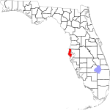

 |  |  |  |  |  |  |  | (725 km2)
Polk County | 105 | Bartow | 1861 | Brevard and Hillsborough | James K. Polk (1795–1849), the 11th President of the United States | 325.06 | 609,492 | 1,875 sq mi | 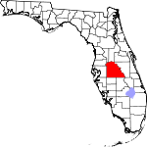

 |  |  |  |  |  |  |  | (4,856 km2)
Putnam County | 107 | Palatka | 1849 | Alachua and St. Johns | Benjamin A. Putnam (1801–1869), soldier during the Second Seminole War and Floridian legislator | 102.55 | 74,041 | 722 sq mi | 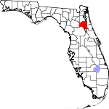

 |  |  |  |  |  |  |  | (1,870 km2)
St. Johns County | 109 | St. Augustine | 1821 | One of the two original counties | Name derived from the St. Johns River, which in turn derives its name from San Juan del Puerto | 321.55 | 195,823 | 609 sq mi | 

 |  |  |  |  |  |  |  | (1,577 km2)
St. Lucie County | 111 | Fort Pierce | 1905 | Brevard | Saint Lucy (283–304), the Christian martyr | 490.17 | 280,379 | 572 sq mi | 

 |  |  |  |  |  |  |  | (1,481 km2)
Santa Rosa County | 113 | Milton | 1842 | Escambia | Santa Rosa Island, which is in turn named for Saint Rosa de Viterbo (1235–1252), a saint born in Viterbo, Italy | 151.68 | 154,104 | 1,016 sq mi | 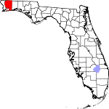

 |  |  |  |  |  |  |  | (2,631 km2)
Sarasota County | 115 | Sarasota | 1921 | Manatee | Native American word, of uncertain meaning, for the area | 668.2 | 382,213 | 572 sq mi | 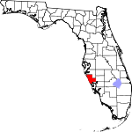

 |  |  |  |  |  |  |  | (1,481 km2)
Seminole County | 117 | Sanford | 1913 | Orange | The Seminole Native American tribe | 1380.1 | 425,071 | 308 sq mi | 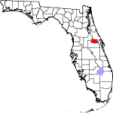

 |  |  |  |  |  |  |  | (798 km2)
Sumter County | 119 | Bushnell | 1853 | Marion | Thomas Sumter (1734–1832), general in the American Revolution | 179.04 | 97,756 | 546 sq mi | 

 |  |  |  |  |  |  |  | (1,414 km2)
Suwannee County | 121 | Live Oak | 1858 | Columbia | The Suwannee River, a 266-mile long river in northern Florida | 61.01 | 41,972 | 688 sq mi | 

 |  |  |  |  |  |  |  | (1,782 km2)
Taylor County | 123 | Perry | 1856 | Madison | Zachary Taylor (1784–1850), 12th President of the United States | 21.78 | 22,691 | 1,042 sq mi | 

 |  |  |  |  |  |  |  | (2,699 km2)
Union County | 125 | Lake Butler | 1921 | Bradford | Named for the area's residents united desire to split into a separate county | 64.12 | 15,388 | 240 sq mi | 

 |  |  |  |  |  |  |  | (622 km2)
Volusia County | 127 | DeLand | 1854 | Orange | The port of Volusia, whose etymology is uncertain; possibly derived from the Native American word for "Land of the Euchees," the term for the area's native inhabitants | 447.38 | 494,804 | 1,106 sq mi | 

 |  |  |  |  |  |  |  | (2,865 km2)
Wakulla County | 129 | Crawfordville | 1843 | Leon | The Wakulla River, itself named for a Spanish corruption of a Timucuan word used to describe the body of water, but that is of uncertain meaning | 51.03 | 30,978 | 607 sq mi | 

 |  |  |  |  |  |  |  | (1,572 km2)
Walton County | 131 | DeFuniak Springs | 1824 | Escambia and Jackson | George Walton, first Secretary of Florida Territory | 52.73 | 55,793 | 1,058 sq mi | 

 |  |  |  |  |  |  |  | (2,740 km2)
Washington County | 133 | Chipley | 1825 | Jackson and Walton | George Washington (1732–1799), first President of the United States | 42.99 | 24,935 | 580 sq mi | 

 |  |  |  |  |  |  |  | (1,502 km2)

Former counties

